QN 4
Project life in years | 10
 |  |  |  |  | Year | 0 | 1 | 2 | 3 | 4 | 5 | 6 | 7 | 8 | 9 | 10
Initial Investment | $150,000 | Uniform distribution |  |  | Income statement
Assumption | 0 | Min | $100,000 |  | Demand |  | 2000 | 0 | 0 | 0 | 0 | 0 | 0 | 0 | 0 | 0
 |  | Max | $180,000 |  | Unit Price |  | 0 | 0 | 0 | 0 | 0 | 0 | 0 | 0 | 0 | 0
 |  |  |  |  | Revenue |  | 0 | 0 | 0 | 0 | 0 | 0 | 0 | 0 | 0 | 0 | To be used for taxable income
Unit Price | $40 | Normal distribution |  |  | Expenses
 |  | Mean | $40 |  | Unit variable cost |  | 0 | 0 | 0 | 0 | 0 | 0 | 0 | 0 | 0 | 0
 |  | sd | $1 |  | Total Variable cost |  | 0 | 0 | 0 | 0 | 0 | 0 | 0 | 0 | 0 | 0 | To be used for taxable income
 |  |  |  |  | Fixed Cost |  | 0 | 0 | 0 | 0 | 0 | 0 | 0 | 0 | 0 | 0 | To be used for taxable income
 |  |  |  |  | Depreciation |  | 0 | 0 | 0 | 0 | 0 | 0 | 0 | 0 | 0 | 0 | To be used for taxable income
Demand | 2000 | triangular distribution |  |  | Taxable Income |  | 0 | 0 | 0 | 0 | 0 | 0 | 0 | 0 | 0 | 0
 |  | Min | 1200 |  | Income tax (40%) |  | 0 | 0 | 0 | 0 | 0 | 0 | 0 | 0 | 0 | 0
 |  | Likeliest | 2000 |  | Net income |  | 0 | 0 | 0 | 0 | 0 | 0 | 0 | 0 | 0 | 0
 |  | max | 2400 |  | Cash Flow statement
 |  |  |  |  | Operating activities
Unit variable cost | $20 | Uniform distribution |  |  | Net income |  | 0 | 0 | 0 | 0 | 0 | 0 | 0 | 0 | 0 | 0
 |  | Min | $16 |  | Depreciation |  | 0 | 0 | 0 | 0 | 0 | 0 | 0 | 0 | 0 | 0
 |  | Max | $24 |  | Investment Activities
 |  |  |  |  | Investment | 0
Fixed Cost | $10,000 | Lognormal distribution |  |  | Salvage |  |  |  |  |  |  |  |  |  |  | 0
 |  | Location | $8,000 |  | Net cash flow | 0 | 0 | 0 | 0 | 0 | 0 | 0 | 0 | 0 | 0 | 0
 |  | Mean | $10,000
 |  | sd | $1,000 |  | Net Present Value(NPV) | $-

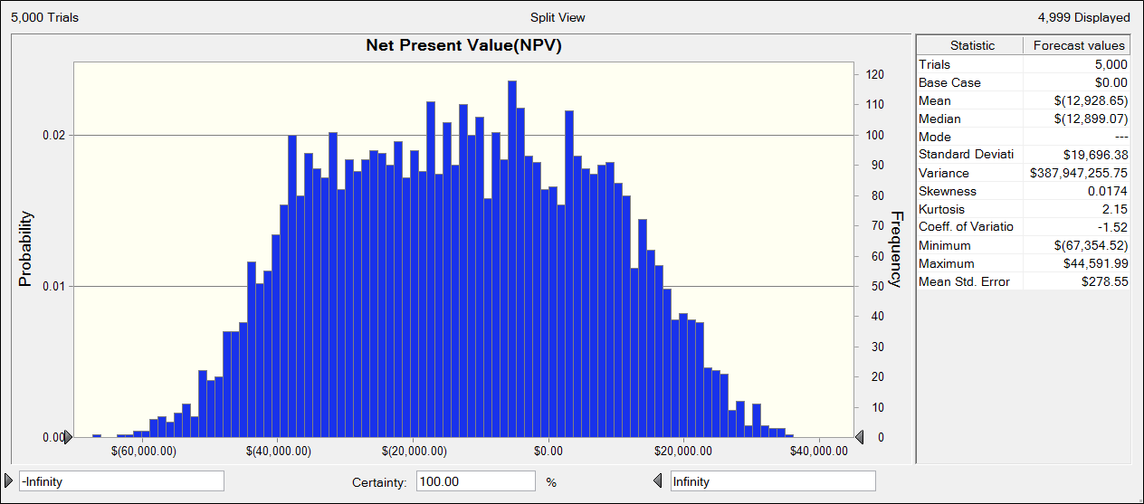
depreciation | Straight line depreciation

Salvage value | $30,000 | Normal distribution
Assumption | 0 | Mean | $30,000
 |  | sd | $4,000

Interest rate | 12%
Income Tax rate | 40%

 |  |  |  | The mean NPV is -$12,928.65. This suggests that the project is not feasible as NPV is negative. The descriptive statistics is included in the above figure along with the probability distribution of NPV.

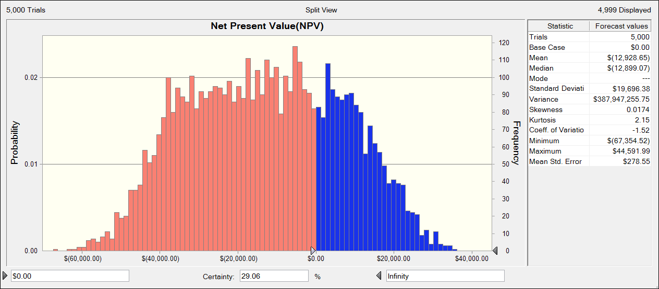

 |  |  |  | For the project to be feasible NPV should be greater than 0. Thus from the above figure, we can see that the certainty level with which the value of NPV is greater than 0 is 29.06% or 0.2906.

QN 5
PE Ratio (X1) | Risk (X2) | Return (Y)
7.4 | 1 | 7.6
11.1 | 1.3 | 13
8.7 | 1.1 | 8.9
11.2 | 1.2 | 10.9
11.6 | 1.7 | 12.1
12.2 | 1.3 | 12.8
12.5 | 1.2 | 11.3
12.5 | 1.3 | 14.1
13 | 1.6 | 14.8
13.4 | 1.4 | 16.7

